1. Title Page
Grocery Basket Analysis

Project Name: Grocery Basket Analysis
Date: 2/18/2023
Analyst Name: David Byl

Contents:
Population Flow
Consistency checks
Wrangling steps
Column derivations
Visualizations
Recommendations

2. Population Flow
Title page

Population flow

Exclusion flag
Condition: max_order < 5
Obervations to be removed: 1,440,295
Final total count of order_products_all: 30,964,564

Orders_products_combined
Orders_products_merged
Orders_products_all

Total: 32,404,859
Total: 32,434,489
Total: 30,964,564

1.) The grey boxes in the first row of the population flow represent the original data sets as they were when you downloaded them. In the Total fields you need to add the count of the rows when you imported the data set into Jupyter.
2.) The second row of boxes (coloured) represents the data sets after you manipulated them, e.g., removed missing values and duplicates. In the Total fields you need to add the count of the rows after conducting these operations. This offers a visual oveview of how the data flows throughout the data consistency checks.
3.) The third row, where also the arrows are coloured, represents the merges you performed between the datasets. In the Total fields you need to add the count of the rows in the merged datasets, so that you end up with the final dataset (in the red box). Keep in mind the final dataset should be without exclusions (based on the exclusion flag).

3. Consistency checks
 |  |  |  | Title page
Consistency checks

Dataset | Missing values | Missing values treatment | Duplicates
orders | 206209 in days since prior order | Replace NaN with -1 to act as a flag for a first order of a customer | 0
products | 16 in prodcut name | Dropped them | 5
orders_products_prior | 0 | not needed | 0
customers | 0 | not needed | 0

4. Wrangling steps
 |  |  |  | Title page
Wrangling steps

Columns dropped | Columns renamed | Columns' type changed | Comment/Reason
Unnamed: 0.1 | order_dow to orders_day_of_week | order_id | order_dow isnt specific. To merge dataframes the primary keys needed to be the same data type. Removed unneded column
Unnamed: 0 | First name to first_name | user_id | renamed to fit same naming format. To merge dataframes the primary keys needed to be the same data type. Removed unneded column
_merge | surnam to last_name |  | renamed to fit same naming format Removed unneded column
averge_price | STATE to state |  | renamed to fit same naming format. Misspelled column header
averege_price | Gender to gender |  | renamed to fit same naming format. Misspelled column header
eval_set | Age to age |  | renamed to fit same naming format. Dropped because unuseful

5. Column derivations
 |  |  |  |  | Title page

Column derivations and aggregations

In this tab you should add tables below that the frequences of flags/label variables that you produced after deriving them. NB: don't do this for continuous variables, only for flags.
Dataset | New column | Column/s it was derived from | Conditions
orders products merged | busiest days | orders_day_of_week | if dow = 0 or 1 it is labeled as busiest days. If dow = 4 or 4 its labeled slowest days. Everything else labeled regularly busy | Regularly busy = 12916111, Busiest days = 11864412, Slowest days = 7624336.
orders products merged | price_range | prices | high > 15, mid = between 5 and 15, low = <=5 | mid = 21860860, low = 10126321, high = 417678
orders products merged | busiest period of day | order_hour_of_day | If hour = 10,11,14,115,13,12,16, or 9 then labeled most orders. If hour = 23,6,0,1,5,2,4,3 then labeled fewest orders. Everything else labeled average orders | Most orders = 21118071, average orders = 9997651, fewest orders = 1289137
orders products merged | loyalty flag | max order | max order > 40 = loyal customrt. Max order <= 40 and > 10 = regular customer. Max order < 10 New customer | regular = 15876776. Loyal = 10284093. New = 6243990
orders products merged | spending flag | average price | average < 10 = low spender. Average >= 10 = high spender | low spender = 31770614. high spender = 634245
orders products merged | order frequency flag | median days | median days > 20 = non-frequent customer. <= 20 or > 10 = regular customer. <= 10 = frequent cutomer | frequent = 2279115, regular = 6921016, non-frequent = 2686728
merged | region | state | states split into various regions | south = 10791885, west = 8292913, midwest = 7597325, northeast = 5722736
merged | exclusion flag | max order | max < 5 = low activity. Everything else = high activity | high-activity = 30964564, low-activity = 1440295
merged | profile | income,n_dependants, department_id, age, fam_status | retired, alcohol drinkers, average income family, single no kids, high income family, pet owners, other, meat eaters, old parents, young parents | retired = 8195544, alcohol drinkers = 5172822, average income family = 5105751, single no kids = 5094410, high income family = 5081567, pet owners = 1463419, other = 380937, meat eaters = 243362, old parent = 142575, young parent = 84177

6. Visualizations
 | Title page

Visualisations

In this tab you should include all the visualtions from Exercises 4.9 and 4.10, alongside the questions from the project brief that they answer. Include any commentary on the relationship between different variables.

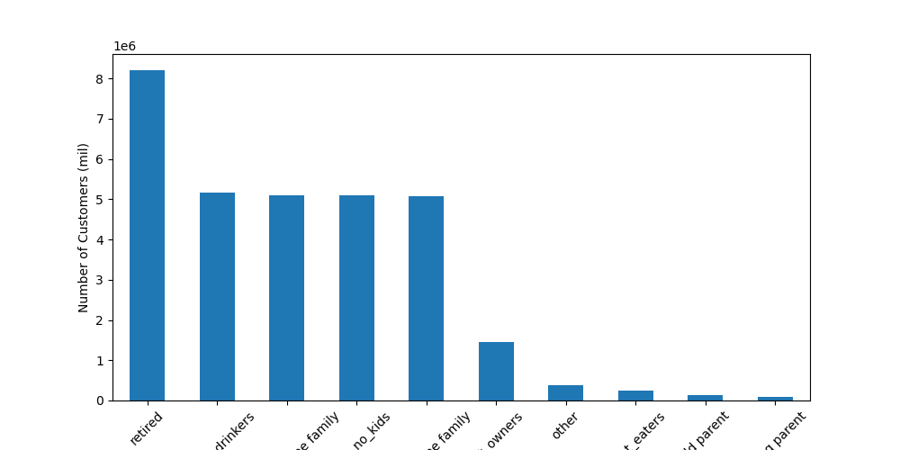

Customer profiles. Number of customers compared to different profiles of them. This helps answer key question 10



Counting orders in each day of the week. Helps answer question 1



Frequency of orders per hour of day. Helps answer quesition 1



Frequency of prices of each insacart order. Helps answer question 3

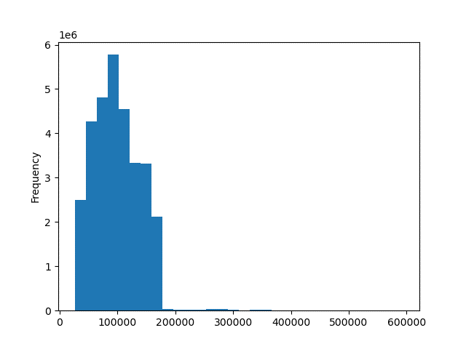

Frequency of different incomes. Helps answer question 11



Comparing customer age and number of dependants they have. Helps answer # 9

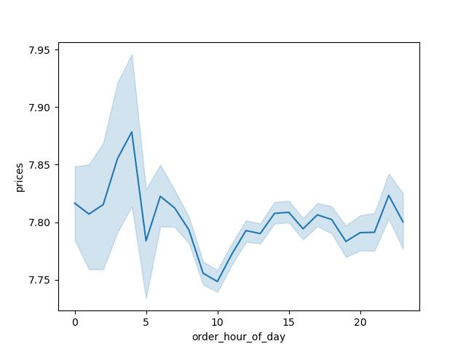

Showing average price per our of day. Helps answer #2

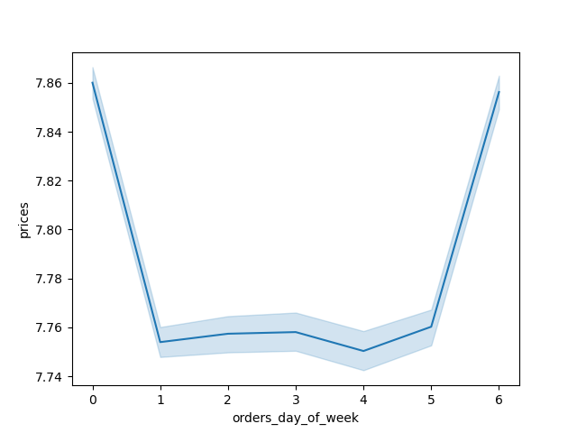

Showing prices per day of week.



Showing the counts of each type of customer loyalty. Helps answer #7

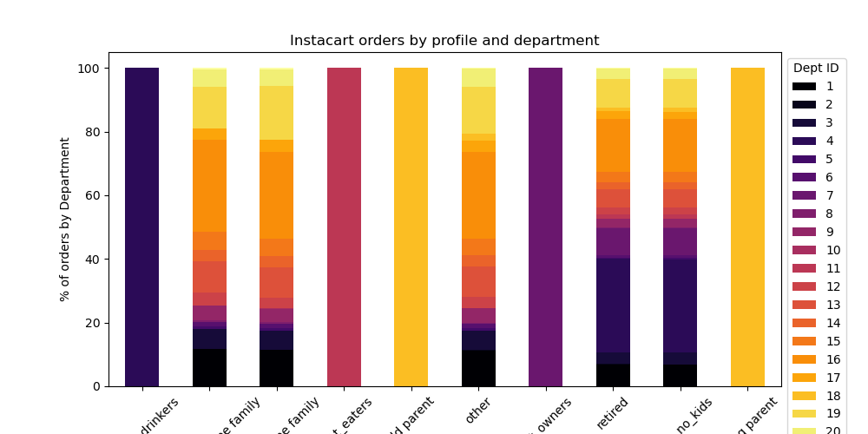

Showing customer profiles orders by department. Helps answer # 11

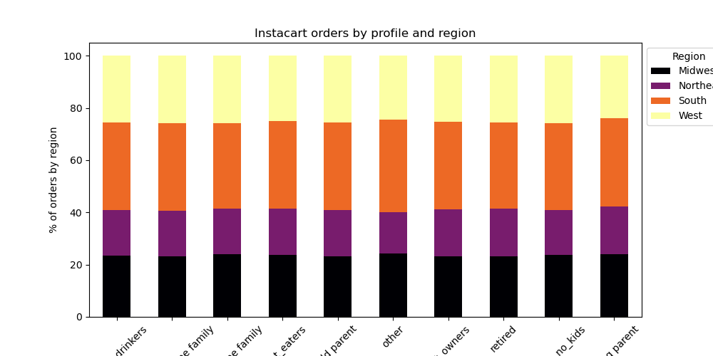

Showing profiles by region. Helps answer #8



Age compared to imcome. Helps answer 10

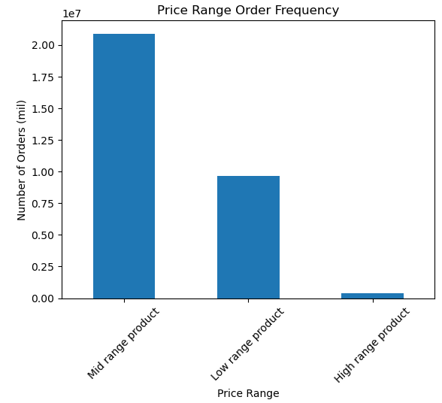

Price range frequency. Helps answer #3

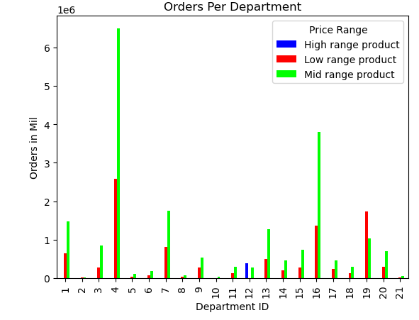

Department id order frequency. Helps answer # 4

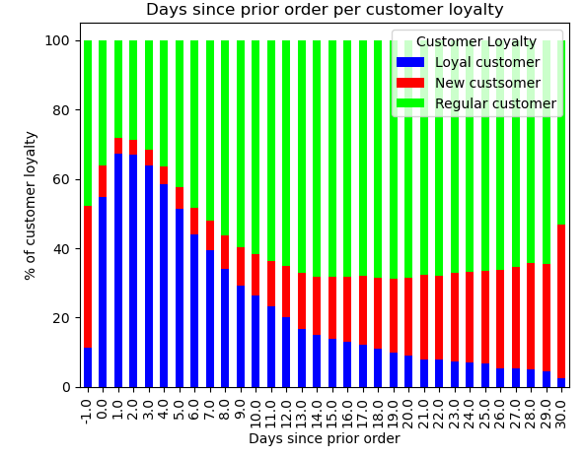

Showing % of each customer loyalty and how many days since prior order. Helps answer # 5

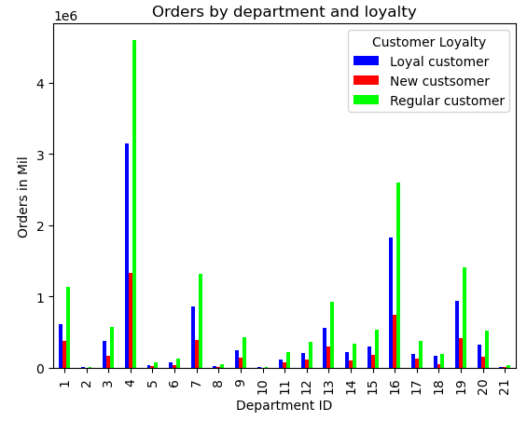

Orders by department id and loyalty status. Helps answer # 6

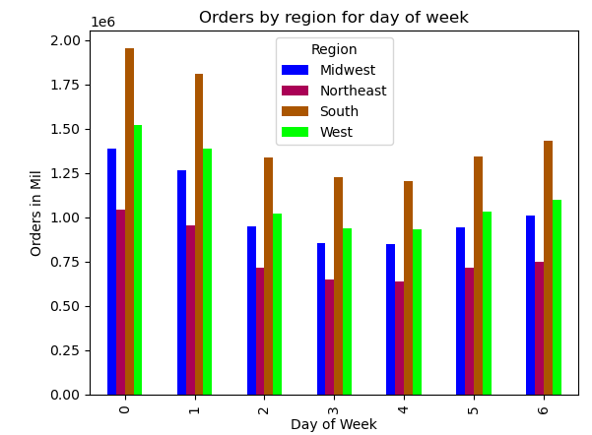

Shows orders by customer region and day of week. Helps answer #7

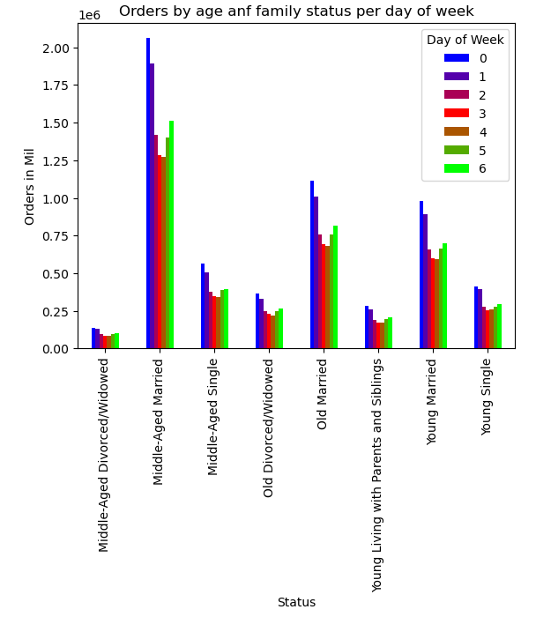

Shows orders by age and fam status. Helps answer #8

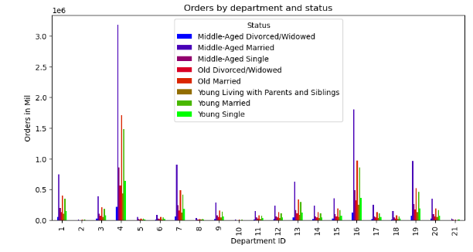

Shows status and number of orders per department. Helps answer #8

7. Recommendations
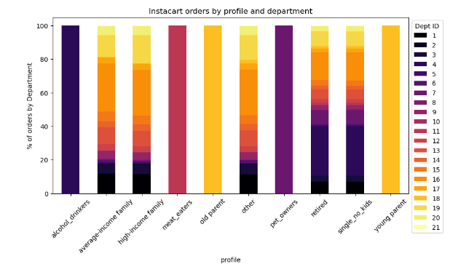
 |  |  |  |  |  |  | Title page

Recommendations

In this tab you should include any recommendations you would made to Instcart in terms of their marketing strategy based on the questions posed in the brief. Every key question has been covered in the Tasks of the Exercises - here you need to add an item - a visualisation or table/crosstable that is showing the answer in the data, acompanied by a comment from you. Please, list the questions below and add the answer underneath.

Question 1 Graphs
Question 2 Graphs
Question | Column1 | Answer
The sales team needs to know what the busiest days of the week and hours of the day are (i.e., the days and times with the most orders) in order to schedule ads at times when there are fewer orders. | 1 | The weekend are the days that accumulate the most orders which makes sense as the weekend is typically when people need to grocery shop and restock on food. During the weekend, people place their orders mostly during midday between the hours of 10 and 16. Id reccomend to boost sales outside these times and use more marketing around them. |  | 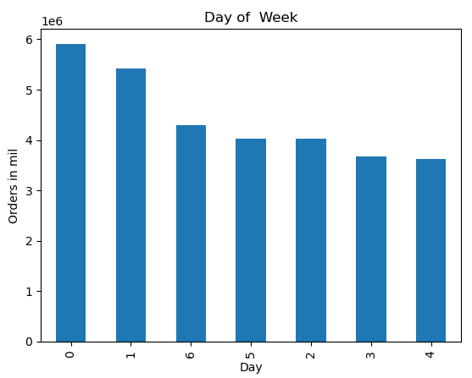 |  | 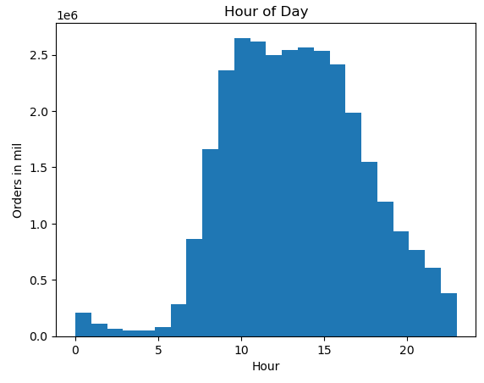
They also want to know whether there are particular times of the day when people spend the most money, as this might inform the type of products they advertise at these times. | 2 | During the night, particularly between 0 and 7, is when more expensive products are being sold. In the morning, between 8 and 12, is when people are spending the least amount of money on products. This is the opposite of the question above and while more orders are being placed the cheaper the products being bought are. To boost sales of higher priced items Id reccomend having more marketing around the times of high orders for the higher priced items. |  |  | 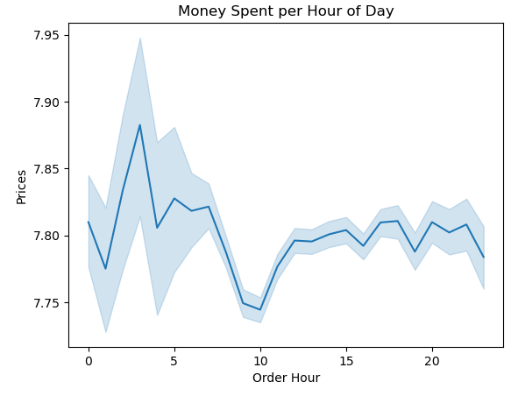
Question 3 Graphs
Instacart has a lot of products with different price tags. Marketing and sales want to use simpler price range groupings to help direct their efforts. | 3 | Looking at the prices individualy, most instacart products being bought are between the prices of 1 and 14. To simplify, most orders are those in the mid range product price category with many in the low range as well. Very few orders are within the high range product price. Id reccomend expanding the market of higher priced items to boost their numbers and bring in more revenue.
Are there certain types of products that are more popular than others? The marketing and sales teams want to know which departments have the highest frequency of product orders | 4 | The most popular products being ordered are those in the produce, dairy and eggs, snacks, and beverages. |  | 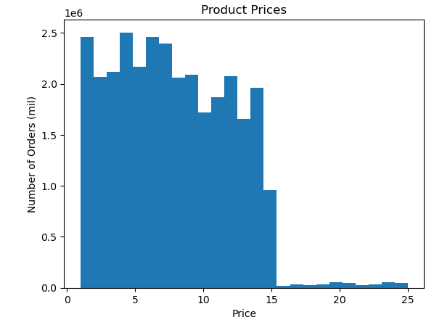
Question 4 Graphs
What’s the distribution among users in regards to their brand loyalty (i.e., how often do they return to Instacart)? | 5 | Most customers using instacart are regular followed by loyal and new. New and regular customers typically take around 4 weeks before ordering again and loyal customers take around 0-5 days. To make more customers loyal, id recommend implementing a reward system to help customers order more frequently.
Are there differences in ordering habits based on a customer’s loyalty status? | 6 | Looking at the graph, there are really no differences between customer loyalty and department id items bought. Regular customers order the most followed by loyal customers and then new ones.
Question 5 Graphs
Are there differences in ordering habits based on a customer’s region? | 7 | Ordering habit really stay the same when compared region to region. The south region is where instacart is receiving the most amount of orders. Using this region to test new products would be beneficial and we should focus on growing the customer bases in other regions.
Question 6 Graphs
Is there a connection between age and family status in terms of ordering habits? | 8 | Ordering habits really remain the same when compared to age and family status together. People who are married make up the most of our transactions especially those who are middle aged followed by old marrieds and then young marrieds. | 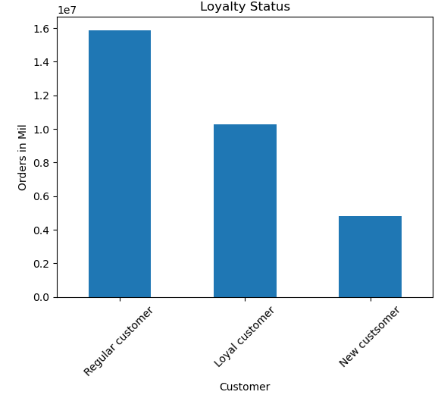
What different classifications does the demographic information suggest? Age? Income? Certain types of goods? Family status? | 9 | People who are retired/old or families or high incomes have the largest amount of orders based on customer profiles. Launching products that these demographics would like would be my reccomendation
Question 7 Graphs
What differences can you find in ordering habits of different customer profiles? Consider the price of orders, the frequency of orders, the products customers are ordering, and anything else you can think of. | 10 | For the most part, the habits of purchasing for different customer profiles remains similar. People with kids or who eat meat or drink alcohol are different because their profile was created with the relation to a specific department. One thing I can see is people with average to high incomes tend to buy a lot more in the dairy/eggs department.
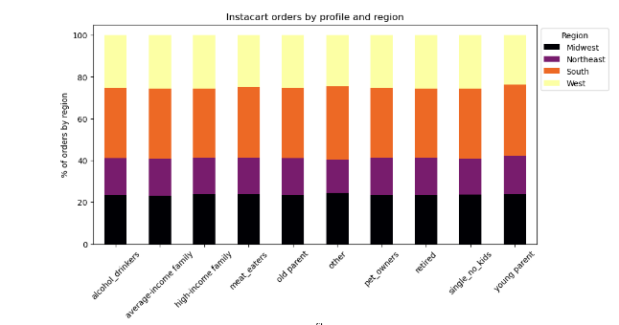

Question 8 Graphs

Question 9 Graphs
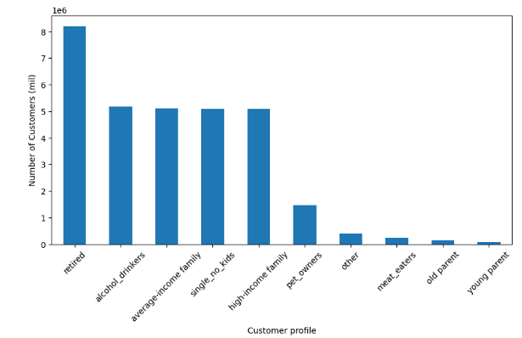

Question 10 Graphs

